Cover Page
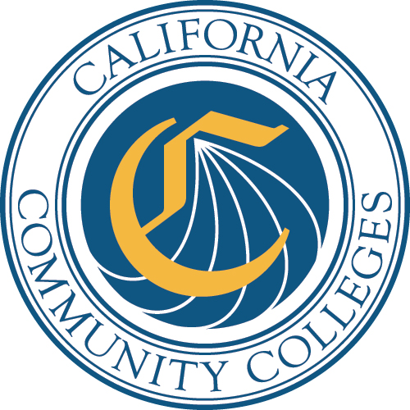

Basic Skills Initiative
(BSI)

2016-17

Year-End Expenditures Report

Los Medanos College

Report Due
2018-10-01

Email the entire report as an Excel file (not a PDF) and a PDF copy of the signed signature page to:
basicskills@cccco.edu

Be sure to include the NAME OF THE COLLEGE in the SUBJECT LINE of the email.

